IP Requirment
Return

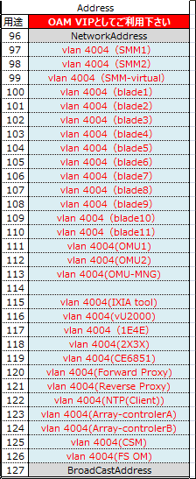
OM IP Requirment Summary
NE | VLAN | Logical Network | dc1
 |  |  | IP Segment | Mask | Gateway | Quantity
E900 | 4004 | 1E | 172.16.55.113 | 255.255.255.0 | 172.16.55.1 | 1
 | 4004 | 4E
 | 4004 | 2X | 172.16.55.114 | 255.255.255.0 | 172.16.55.1 | 1
 | 4004 | 3X
CE | 4004 | MGNT PORT | 172.16.55.1 |  |  | 1
ArrayDisk -1 | 4004 | ControlA-MGNT PORT | 172.16.55.118 | 255.255.255.0 | 172.16.55.1 | 1
CSM | 4004 | CSM | 172.16.55.120 | 255.255.255.0 | 172.16.55.1 | 1
vU2000 | 4004 | vU2000_Service | 172.16.55.121 |  | 172.16.55.1 | 1
vUGW | 4004 | OMU1 | 172.16.55.122 | 255.255.255.0 | 172.16.55.1 | 1
 |  | OMU2 | 172.16.55.123 |  | 172.16.55.1 | 1
 |  | OMU-MNG | 172.16.55.124 | 255.255.255.0 | 172.16.55.1 | 1
vUSN | 4004 | OMU1 | 172.16.55.125 |  | 172.16.55.1 | 1
 |  | OMU2 | 172.16.55.126 | 255.255.255.0 | 172.16.55.1 | 1
 |  | OMU-MNG | 172.16.55.127 |  | 172.16.55.1 | 1
 |  |  |  | total |  | 12

vEPC Service IP Design(To be design)
vUGW
DC | NE | VM | Port | Sub-port | IP Type | IP | Mask | Gateway (EOR) | Vlan ID | Logical Interface | Logical Interface IP

 | vUGW | IPU | vNIC3 |  | External IP | 172.16.70.2 | 255.255.255.0 | 172.16.70.1 | 4008 | S1-U | 200.200.200.2/32(S1-U)
 |  |  | vNIC4 |  | External IP | 172.16.71.2 | 255.255.255.0 | 172.16.71.1 | 4009
 |  |  | vNIC3 |  | External IP | 172.16.70.2 | 255.255.255.0 | 172.16.70.1 | 4008 | Gn,S5,S11 | 200.200.200.3/32(Saif) 200.200.200.4/32(Paif) 200.200.200.5/32(Paif)
 |  |  | vNIC4 |  | External IP | 172.16.71.2 | 255.255.255.0 | 172.16.71.1 | 4009
 |  |  | vNIC3 |  | External IP | 172.16.70.2 | 255.255.255.0 | 172.16.70.1 | 4008 | Gi
 |  |  | vNIC4 |  | External IP | 172.16.71.2 | 255.255.255.0 | 172.16.71.1 | 4009
vUSN
DC | NE | VM | Port | Sub-port | IP Type | IP | Mask | Gateway (EOR) | Vlan ID | Logical Interface | Logical Interface IP

 | vUSN | IPU | vNIC3 |  | External IP | 172.16.70.3 | 255.255.255.0 | 172.16.70.1 | 4008 | S1-MME S6a S10/S11 | 200.200.200.12/32(S1-MME) 200.200.200.13/32(S6a) 200.200.200.14/32(S11)
 |  |  | vNIC4 |  | External IP | 172.16.71.3 | 255.255.255.0 | 172.16.71.1 | 4009

